Q's
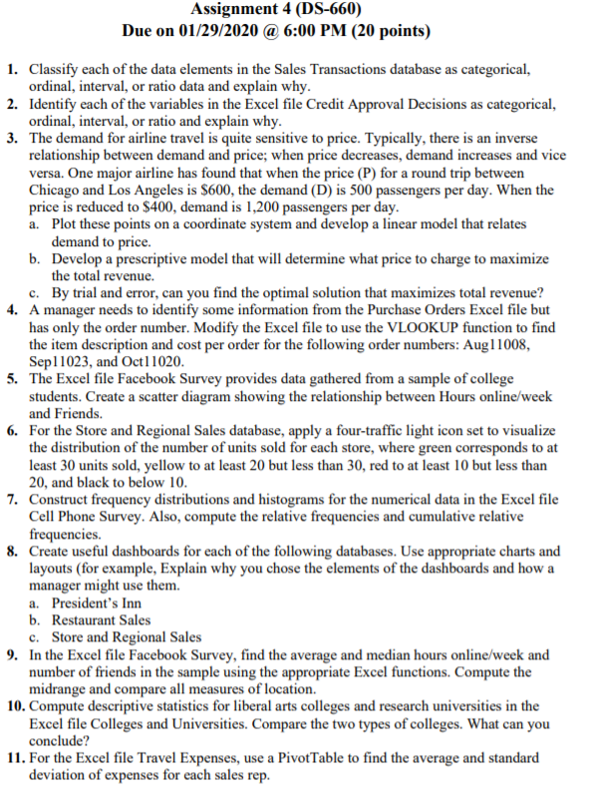

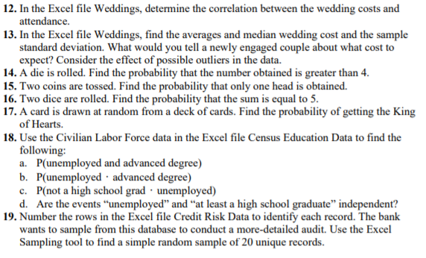

3. Airline Price
Airline Price
Passengers per day | Price
D | P | T
500 | $600 | $300,000
1200 | $400 | $480,000

5. Facebook Survey
Friends by Hours Online
4 | 150
10 | 400
7 | 120
15 | 500
9 | 260
5 | 70
7 | 90
5 | 250
12 | 110
2 | 30
6 | 80
2 | 30
3 | 200
6 | 240
6 | 150
4 | 90
8 | 340
10 | 450
4 | 50
4 | 120
6 | 180
4 | 280
5 | 60
9 | 100
12 | 380
8 | 430
2 | 80
7 | 170
6 | 90
4 | 50
2 | 50
5 | 70
7 | 170

8. Dashboards
President's Inn Guest Database

Total Revenue
 | Total
Adams | 450
Arthur | 6615
Cleveland | 2574
Coolidge | 1050
Eisenhower | 1400
Garfield | 500
Grant | 400
Hayes | 900
Jackson | 2500
Jefferson | 3660
Johnson | 1540
Lincoln | 6320
Madison | 2200
McKinley | 750
Polk | 6117.3
Quincy Adams | 900
Reagan | 750
Roosevelt | 1100
Truman | 3217.5
Tyler | 900
Van Buren | 300
Washington | 8842
Total Revenue
 | Total
12/1/2014 | 6754
12/2/2014 | 600
12/3/2014 | 1350
12/4/2014 | 4662
12/5/2014 | 8460
12/9/2014 | 2400
12/10/2014 | 3950
12/13/2014 | 2450
12/14/2014 | 1550
12/17/2014 | 600
12/19/2014 | 400
12/20/2014 | 4117.5
12/24/2014 | 15692.3

 | Sum of No of Guests | Sum of Additional guests
Bay-window | 18 | 2
Ocean | 38 | 10
Side | 13 | 5

The manager can analyze the amount of revenue they get from the selected rooms and/or room types.
The total revenue is also calculated by the costs and the length of stay, which is visualized by the line graph.

Restaurant Sales

 | Sum of Lunch Sales $ | Sum of Dinner Sales $ | Sum of Delivery Sales $
Sunday | 3936 | 6244 | 1873
Thursday | 1586 | 3549 | 1163
Friday | 1796 | 5208 | 4707
Saturday | 2708 | 8289 | 3617
 | Sum of Lunch Sales $ | Sum of Dinner Sales $ | Sum of Delivery Sales $
1-Apr | 542 | 1468 | 884
2-Apr | 873 | 1345 | 489
6-Apr | 403 | 805 | 276
7-Apr | 442 | 1289 | 1242
8-Apr | 449 | 1652 | 782
9-Apr | 697 | 1209 | 341
13-Apr | 412 | 891 | 243
14-Apr | 508 | 1178 | 1068
15-Apr | 503 | 1581 | 714
16-Apr | 741 | 1137 | 326
20-Apr | 345 | 913 | 294
21-Apr | 467 | 1332 | 1254
22-Apr | 622 | 1732 | 636
23-Apr | 846 | 1324 | 319
27-Apr | 426 | 940 | 350
28-Apr | 379 | 1409 | 1143
29-Apr | 592 | 1856 | 601
30-Apr | 779 | 1229 | 398

The manager can analyze the sales done during lunch, dinner, and delivery in terms of days and dates.
The days can be selected to compare. The selection effects both the graphs as the sticker is connected.

Store and Regional Sales Database

Units Sold
 | Total
24" Monitor | 609
Laptop | 981
PC Mouse | 670
Wireless Keyboard | 917
Total Price
 | Total
24" Monitor | 5496
Laptop | 20398.8
PC Mouse | 214.8
Wireless Keyboard | 478.8

Units Sold by Month and Region
 | Total
East October | 458
East November | 531
East December | 543
North October | 307
North November | 267
North December | 308
South October | 275
South November | 232
South December | 256

Store and Regional Sales Database

The manager can analyze the units sold at their total price. He can also compare between regions, items, and months.

12. Weddings
Wedding Costs vs. Attendance
 | Attendance
60700 | 300
52000 | 350
47000 | 150
42000 | 200
34000 | 250
30500 | 150
30000 | 250
30000 | 300
28000 | 250
26000 | 200
25000 | 150
24000 | 200
24000 | 200
22000 | 200
20000 | 200
20000 | 200
20000 | 100
19000 | 150
19000 | 200
18000 | 150
16000 | 100
14000 | 100
13000 | 150
7000 | 50
5000 | 50

